Sheet1
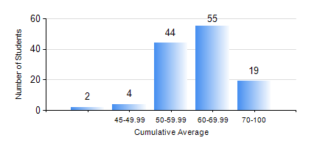
 |  |  | KWAME NKRUMAH UNIVERSITY OF SCIENCE AND TECHNOLOGY, KUMASI Department of Materials Engineering

 |  |  | BSC. MATERIALS ENG.

 |  |  | COMPREHENSIVE RECORD OF EXAMINATION RESULTS

 |  |  | RESULTS OF YEAR 3 SECOND SEMESTER, 2021/2022 ACADEMIC YEAR

 | Sn | Course Code |  | Course Name | Credit Hours | Min. Mark | Max. Mark | Avg. Mark | Std. Dev. | No. Passed | No. Trailed | No. (Df) | No. (I) | No. (I*) | No. Tagged(I,I*,Df) | Total
 | 1. | MSE 352 |  | GLASS AND CEMENT TECHNOLOGIES | 3 | 11 | 93 | 50 | 14.56 | 101 | 23 | 0 | 0 | 0 | 0 | 124
 | 2. | MSE 354 |  | PHYSICAL METALLURGY OF FERROUS METALS | 2 | 13 | 89 | 70 | 10.65 | 122 | 2 | 0 | 0 | 0 | 0 | 124
 | 3. | MSE 356 |  | ENGINEERING PROPERTIES OF POLYMERS | 2 | 14 | 84 | 59 | 10.12 | 123 | 1 | 0 | 0 | 0 | 0 | 124
 | 4. | MSE 358 |  | NUMERICAL METHODS FOR ENGINEERS | 2 | 8 | 85 | 51 | 15.32 | 108 | 16 | 0 | 0 | 0 | 0 | 124
 | 5. | MSE 360 |  | MECHANICS OF MATERIALS | 3 | 10 | 95 | 58 | 11.83 | 123 | 1 | 0 | 0 | 0 | 0 | 124
 | 6. | MSE 362 |  | MATERIALS JOINING PROCESSES | 3 | 17 | 93 | 66 | 12.06 | 123 | 1 | 0 | 0 | 0 | 0 | 124
 | 7. | MSE 364 |  | MATERIALS CHARACTERIZATION LABORATORY | 2 | 6 | 87 | 73 | 9.71 | 123 | 1 | 0 | 0 | 0 | 0 | 124
 | 8. | MSE 396 |  | THIRD YEAR DESIGN PROJECT | 3 | 50 | 82 | 71 | 5.95 | 124 | 0 | 0 | 0 | 0 | 0 | 124

